Weight
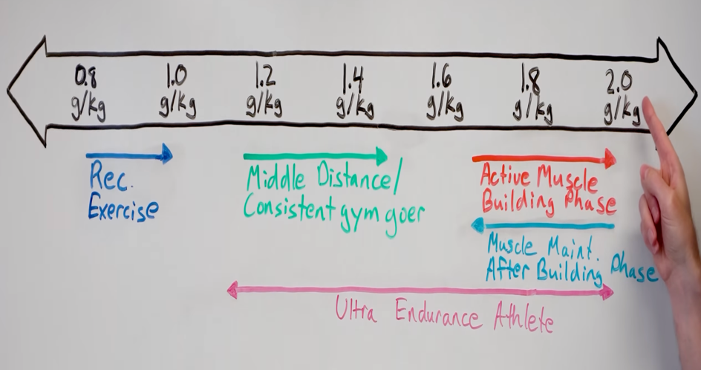
Total Daily Calorie Estimate | Calories Consumed |  |  |  |  |  |  |  | Custom Calories Consumed |  | BMR | Sedentary/Little-to-no Exercise | Light: Exercise 1-3 times per week | Moderate: Exercise 4-5 times per week | Active: Daily Exercise or intense exercise 3-4 times per week | Very Active: Intense Exercise 6-7 times per week | Extra Active: very intense exercise daily or physical job
2578 | 500 | 750 | 1000 | 1250 | 1500 | 1750 | 2000 | 2250 | 776 |  | 0.96961620469 | 1.1636460554 | 1.3331556503 | 1.420575693 | 1.5031982942 | 1.6727078891 | 1.842217484
 |  |  |  |  |  |  |  |  | Total Weight Loss at end of Week | Weight at end of Week
1 | 4.16 | 3.66 | 3.16 | 2.66 | 2.16 | 1.66 | 1.16 | 0.66 | 3.60 | 197.4
2 | 8.31 | 7.31 | 6.31 | 5.31 | 4.31 | 3.31 | 2.31 | 1.31 | 7.16 | 193.8
3 | 12.47 | 10.97 | 9.47 | 7.97 | 6.47 | 4.97 | 3.47 | 1.97 | 10.66 | 190.3
4 | 16.62 | 14.62 | 12.62 | 10.62 | 8.62 | 6.62 | 4.62 | 2.62 | 14.11 | 186.9
5 | 20.78 | 18.28 | 15.78 | 13.28 | 10.78 | 8.28 | 5.78 | 3.28 | 17.51 | 183.5
6 | 24.94 | 21.94 | 18.94 | 15.94 | 12.94 | 9.94 | 6.94 | 3.94 | 20.87 | 180.1
7 | 29.09 | 25.59 | 22.09 | 18.59 | 15.09 | 11.59 | 8.09 | 4.59 | 24.18 | 176.8
8 | 33.25 | 29.25 | 25.25 | 21.25 | 17.25 | 13.25 | 9.25 | 5.25 | 27.44 | 173.6
9 | 37.40 | 32.90 | 28.40 | 23.90 | 19.40 | 14.90 | 10.40 | 5.90 | 30.65 | 170.4
10 | 41.56 | 36.56 | 31.56 | 26.56 | 21.56 | 16.56 | 11.56 | 6.56 | 33.82 | 167.2
11 | 45.71 | 40.21 | 34.71 | 29.21 | 23.71 | 18.21 | 12.71 | 7.21 | 36.94 | 164.1
12 | 49.87 | 43.87 | 37.87 | 31.87 | 25.87 | 19.87 | 13.87 | 7.87 | 40.02 | 161.0

 | Fill In Information in Light-Green Highlighted Cells |  |  | My Protein Range: | 72.94 | 91.17
Weight (in lbs) | 201 |  |  | Average: | 82.05
Weight (in kg) | 91.2
 |  |  |  | Protein Intake | Average | Min | Max
Height (ft in cell B19, inches in cell C19) | 5 | 7 |  | BMR | 82.05 | 72.94 | 91.17
Height (in cm) | 170.2 |  |  | Sedentary/Little-to-no Exercise
 |  |  |  | Light Exercise
Gender (M/F) | M |  |  | Moderate Exercise | 141.32 | 109.41 | 127.64
Age | 22.42 |  |  | Active | 164.11 | 145.88 | 182.34
 |  |  |  | Very Active
Mifflin-St Jeor Equation | 1868 |  |  | Extra Active
Revised Harris-Benedict Equation | 1999

Average of Equations | 1934

Activity Level | Light: Exercise 1-3 times per week |  | Exercise: 15-30 minutes of elevated heart rate activity.
Rate | 1.3331556503 |  | Intense exercise: 45-120 minutes of elevated heart rate activity.
Total Daily Calorie Estimate | 2578 |  | Very intense exercise: 2+ hours of elevated heart rate activity.

Source | https://www.calculator.net/calorie-calculator.html?

